Dior
sku | image | product | type | brand | price | RRP | ORDER | quantity | EAN | Manifacturer | coo | gender | filter-category | size | frame-color | frame-material | lens-color | lens-material | Special
2000518 | 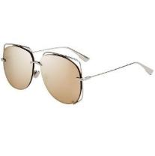 | DIOR SUNGLASSES DIORSTELLAIRE6 10 SQ | SUNGLASSES | CHRISTIAN DIOR | 75.00 € | 390.00 € |  | 5 | 716736150321 | Safilo | Italy | Female | 3 | 61-12-145 | Silver | Metal | Gold; Inside: Brown | Plastic | Mirrored
2000519 | 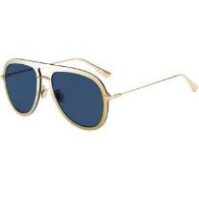 | DIOR SUNGLASSES DIORULTIME1 LKS A9 | SUNGLASSES | CHRISTIAN DIOR | 75.00 € | 370.00 € |  | 3 | 716736159867 | Safilo | Italy | Female | 3 | 57-17-145 | Gold | Metal | Gold & Blue | Plastic
2000523 | 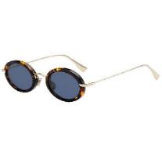 | DIOR SUNGLASSES DIORHYPNOTIC2 2IK A9 | SUNGLASSES | CHRISTIAN DIOR | 75.00 € | 350.00 € |  | 3 | 716736112411 | Safilo | Italy | Female | 3 | 46-26-145 | Havana & Gold | Metal & Acetate | Blue | Plastic
2000526 | 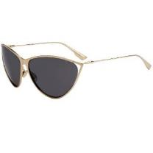 | DIOR SUNGLASSES DIORNEWMOTARD J5G IR | SUNGLASSES | CHRISTIAN DIOR | 75.00 € | 390.00 € |  | 4 | 716736174686 | Safilo | Italy | Female | 3 | 65-12-130 | Gold | Metal | Grey | Plastic
2000527 | 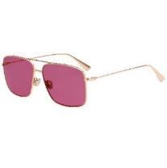 | DIOR SUNGLASSES STELLAIREO3S DDB U1 | SUNGLASSES | CHRISTIAN DIOR | 75.00 € | 370.00 € |  | 2 | 716736158389 | Safilo | Italy | Female | 2 | 57-13-145 | Gold | Metal | Pink | Plastic
2000529 | 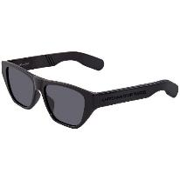 | DIOR SUNGLASSES DIORINSIDEOUT2 807 2K | SUNGLASSES | CHRISTIAN DIOR | 75.00 € | 320.00 € |  | 2 | 716736214078 | Safilo | Italy | Female | 3 | 54-16-145 | Black | Acetate | Black | Plastic
2000530 | 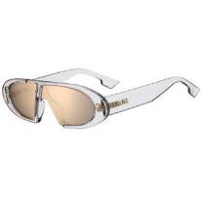 | DIOR SUNGLASSES DIOROBLIQUE 900 SQ | SUNGLASSES | CHRISTIAN DIOR | 75.00 € | 310.00 € |  | 1 | 716736201016 | Safilo | Italy | Female | 3 | 64-01-145 | Transperant Crystal | Acetate | Gold; Inside: Brown | Plastic | Mirrored
2000531 | 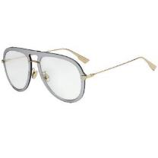 | DIOR SUNGLASSES DIORULTIME1 VGV A9 | SUNGLASSES | CHRISTIAN DIOR | 75.00 € | 370.00 € |  | 4 | 716736159874 | Safilo | Italy | Female | 0 | 57-17-145 | Gold | Metal | Green & Silver | Plastic
2000532 | 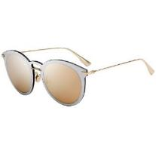 | DIOR SUNGLASSES DIORULTIMEF AVB SQ | SUNGLASSES | CHRISTIAN DIOR | 75.00 € | 370.00 € |  | 6 | 716736159898 | Safilo | Italy | Female | 3 | 53-22-145 | Gold | Metal | Gold & Silver | Plastic | Mirrored
2000533 | 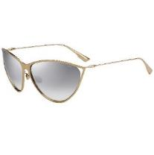 | DIOR SUNGLASSES DIORNEWMOTARD 0 IC | SUNGLASSES | CHRISTIAN DIOR | 75.00 € | 390.00 € |  | 5 | 716736174662 | Safilo | Italy | Female | 2 | 65-12-130 | Gold | Metal | Silver | Plastic | Mirrored
2000534 | 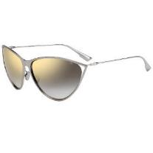 | DIOR SUNGLASSES DIORNEWMOTARD 10 FQ | SUNGLASSES | CHRISTIAN DIOR | 75.00 € | 390.00 € |  | 4 | 716736174679 | Safilo | Italy | Female | 2 | 65-12-130 | Silver | Metal | Gold; Inside: Grey | Plastic | Mirrored
2000535 | 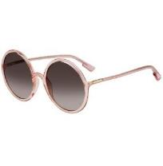 | DIOR SUNGLASSES SOSTELLAIRE3 35J 86 | SUNGLASSES | CHRISTIAN DIOR | 75.00 € | 300.00 € |  | 1 | 716736216119 | Safilo | Italy | Female | 3 | 59-22-145 | Transparent Pink | Acetate | Brown | Plastic
2000536 | 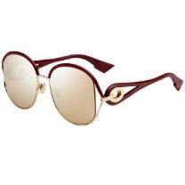 | DIOR SUNGLASSES DIORNEWVOLUTE NOA SQ | SUNGLASSES | CHRISTIAN DIOR | 75.00 € | 400.00 € |  | 2 | 716736164328 | Safilo | Italy | Female | 3 | 57-18-145 | Gold & Burgundy | Metal & Acetate | Gold; Inside: Brown | Plastic | Mirrored
2000539 | 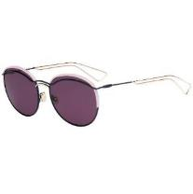 | DIOR SUNGLASSES DIOROUND O3O C6 | SUNGLASSES | CHRISTIAN DIOR | 75.00 € | 350.00 € |  | 1 | 762753860989 | Safilo | Italy | Female | 3 | 57-18-140 | Blue & Pink & Gold | Metal & Acetate | Purple | Plastic
2000540 | 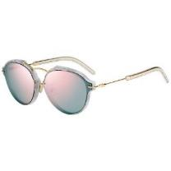 | DIOR SUNGLASSES DIORECLAT GBZ 0J | SUNGLASSES | CHRISTIAN DIOR | 75.00 € | 465.00 € |  | 4 | 762753471956 | Safilo | Italy | Female | 2 | 60-13-135 | Gold & Silver | Metal & Acetate | Red/Gold; Inside: Blue | Plastic | Mirrored
2000541 | 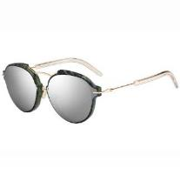 | DIOR SUNGLASSES DIORECLAT GC1 DC | SUNGLASSES | CHRISTIAN DIOR | 75.00 € | 465.00 € |  | 5 | 762753472205 | Safilo | Italy | Female | 3 | 60-13-135 | Green & Gold | Metal & Acetate | Silver | Plastic | Mirrored
2000543 | 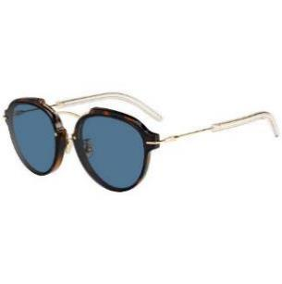 | DIOR SUNGLASSES DIORECLAT UGM 72 | SUNGLASSES | CHRISTIAN DIOR | 75.00 € | 465.00 € |  | 2 | 762753472410 | Safilo | Italy | Female | 3 | 60-13-135 | Havana & Gold | Metal & Acetate | Blue | Plastic
2000544 | 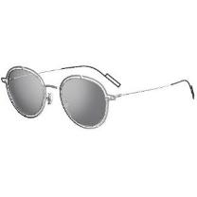 | DIOR SUNGLASSES DIOR0210S 10 DC | SUNGLASSES | CHRISTIAN DIOR | 75.00 € | 400.00 € |  | 2 | 762753037275 | Safilo | Italy | Male | 3 | 49-22-150 | Silver & Black | Metal | Silver | Plastic | Mirrored
2000548 | 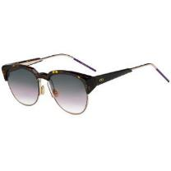 | DIOR SUNGLASSES DIORSPECTRAL 01K SO | SUNGLASSES | CHRISTIAN DIOR | 75.00 € | 485.00 € |  | 2 | 762753463456 | Safilo | Italy | Female | 2 | 53-18-150 | Havana & Gold & Lilac | Metal & Acetate | Green & Brown gradient | Plastic
2000549 | 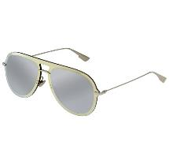 | DIOR SUNGLASSES DIORULTIME1 83I 0T | SUNGLASSES | CHRISTIAN DIOR | 75.00 € | 370.00 € |  | 2 | 716736158419 | Safilo | Italy | Female | 3 | 57-17-145 | Silver | Metal | Gold & Silver | Plastic | Mirrored
2000550 | 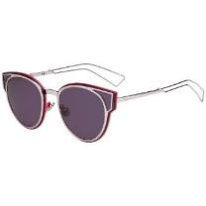 | DIOR SUNGLASSES DIORSCULPT R7U C6 | SUNGLASSES | CHRISTIAN DIOR | 75.00 € | 445.00 € |  | 1 | 762753346124 | Safilo | Italy | Female | 3 | 63-15-145 | Lilac & Pink | Metal | Purple | Plastic
2000553 | 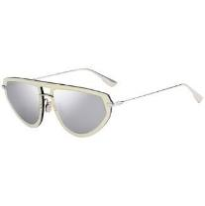 | DIOR SUNGLASSES DIORULTIME2 83I 0T | SUNGLASSES | CHRISTIAN DIOR | 75.00 € | 370.00 € |  | 4 | 716736151779 | Safilo | Italy | Female | 3 | 56-17-145 | Silver | Metal | Silver & Gold | Plastic | Mirrored
2000554 | 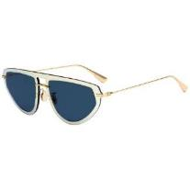 | DIOR SUNGLASSES DIORULTIME2 LKS A9 | SUNGLASSES | CHRISTIAN DIOR | 75.00 € | 370.00 € |  | 4 | 716736151786 | Safilo | Italy | Female | 3 | 56-17-145 | Gold | Metal | Blue & Gold | Plastic
2000557 | 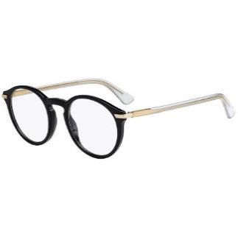 | DIOR OPTICAL FRAMES DIORESSENCE5 7C5 22 | OPTICAL FRAMES | CHRISTIAN DIOR | 75.00 € | 290.00 € |  | 4 | 762753700087 | Safilo | Italy | Female | 0 | 49-22-145 | Black & Gold | Metal & Acetate | No | Plastic
2000559 | 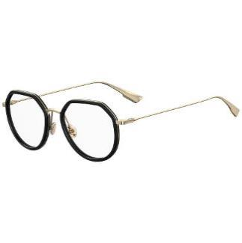 | DIOR OPTICAL FRAMES DIORSTELLAIREO9 2M2 18 | OPTICAL FRAMES | CHRISTIAN DIOR | 75.00 € | 330.00 € |  | 4 | 716736146669 | Safilo | Italy | Female | 0 | 52-18-145 | Black & Gold | Metal & Acetate | No | Plastic
2000560 | 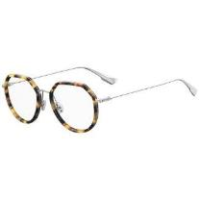 | DIOR OPTICAL FRAMES DIORSTELLAIREO9 8JD 18 | OPTICAL FRAMES | CHRISTIAN DIOR | 75.00 € | 330.00 € |  | 1 | 716736146676 | Safilo | Italy | Female | 0 | 52-18-145 | Havana & Silver | Metal & Acetate | No | Plastic
2000561 | 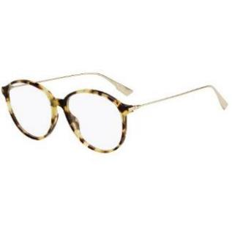 | DIOR OPTICAL FRAMES DIORSIGHTO2 SX7 16 | OPTICAL FRAMES | CHRISTIAN DIOR | 75.00 € | 290.00 € |  | 5 | 716736212241 | Safilo | Italy | Female | 0 | 55-16-145 | Havana & Gold | Metal & Acetate | No | Plastic
2000812 | 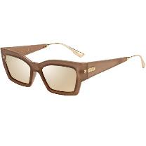 | DIOR SUNGLASSES CATSTYLEDIOR2 S45 SQ | SUNGLASSES | CHRISTIAN DIOR | 75.00 € | 320.00 € |  | 2 | 716736226248 | Safilo | Italy | Female | 3 | 54-18-145 | Light Brown & Rose Gold | Metal & Acetate | Gold; Inside: Brown | Plastic | Mirrored
2000814 | 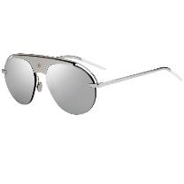 | DIOR SUNGLASSES DIO(R)EVOLUTI2 10 0T | SUNGLASSES | CHRISTIAN DIOR | 75.00 € | 240.00 € |  | 1 | 716736000152 | Safilo | Italy | Female | 3 | 99-01-145 | Silver | Metal | Silver; Inside: Grey | Plastic | Mirrored
2000820 | 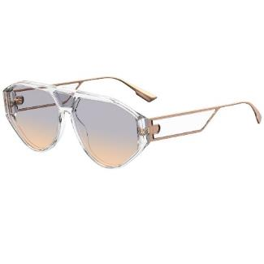 | DIOR SUNGLASSES DIORCLAN1 900 1I | SUNGLASSES | CHRISTIAN DIOR | 75.00 € | 310.00 € |  | 2 | 716736161990 | Safilo | Italy | Female | 1 | 61-14-150 | Crystal Transparent & Rose Gold | Metal & Acetate | Brown | Plastic
2000824 | 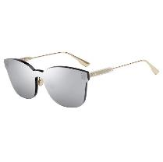 | DIOR SUNGLASSES DIORCOLORQUAKE2 YB7 T4 | SUNGLASSES | CHRISTIAN DIOR | 75.00 € | 305.00 € |  | 1 | 716736129303 | Safilo | Italy | Female | 3 | 99-01-145 | Gold | Metal & Acetate | Silver | Plastic | Mirrored
2000826 | 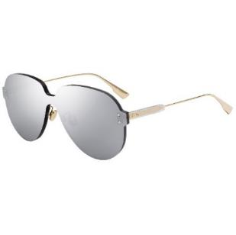 | DIOR SUNGLASSES DIORCOLORQUAKE3 YB7 T4 | SUNGLASSES | CHRISTIAN DIOR | 75.00 € | 275.00 € |  | 3 | 716736129310 | Safilo | Italy | Female | 3 | 99-01-145 | Gold | Metal & Acetate | Silver | Plastic | Mirrored
2000827 | 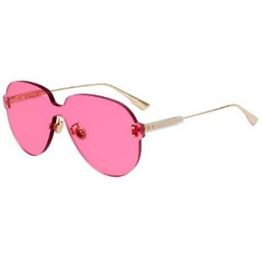 | DIOR SUNGLASSES DIORCOLORQUAKE3 MU1 U1 | SUNGLASSES | CHRISTIAN DIOR | 75.00 € | 275.00 € |  | 2 | 716736132358 | Safilo | Italy | Female | 1 | 99-01-145 | Gold | Metal & Acetate | Pink | Plastic
2000838 | 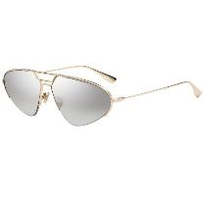 | DIOR SUNGLASSES DIORSTELLAIRE5 J5G 0T | SUNGLASSES | CHRISTIAN DIOR | 75.00 € | 300.00 € |  | 2 | 716736106700 | Safilo | Italy | Female | 3 | 62-13-145 | Gold | Metal | Silver; Inside: Brown | Plastic | Mirrored
2000911 | 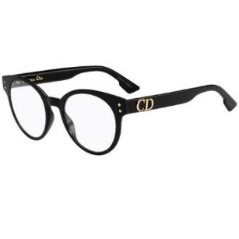 | DIOR OPTICAL FRAMES DIORCD3 807 20 | OPTICAL FRAMES | CHRISTIAN DIOR | 75.00 € | 270.00 € |  | 1 | 716736211800 | Safilo | Italy | Female | 0 | 49-20-145 | Black | Acetate | No | Plastic
2000912 | 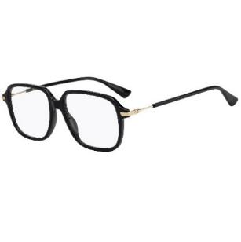 | DIOR OPTICAL FRAMES DIORESSENCE19 807 16 | OPTICAL FRAMES | CHRISTIAN DIOR | 75.00 € | 290.00 € |  | 2 | 716736141497 | Safilo | Italy | Female | 0 | 53-16-145 | Black & Gold | Metal & Acetate | No | Plastic
2000913 | 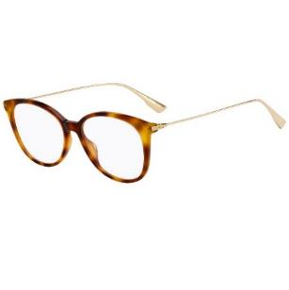 | DIOR OPTICAL FRAMES DIORSIGHTO1 086 16 | OPTICAL FRAMES | CHRISTIAN DIOR | 75.00 € | 290.00 € |  | 5 | 716736212166 | Safilo | Italy | Female | 0 | 52-16-145 | Havana & Gold | Metal & Acetate | No | Plastic
2000914 | 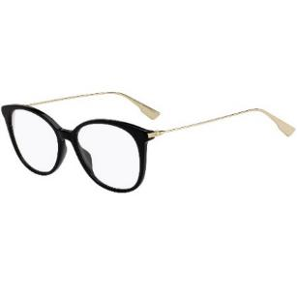 | DIOR OPTICAL FRAMES DIORSIGHTO1 807 16 | OPTICAL FRAMES | CHRISTIAN DIOR | 75.00 € | 290.00 € |  | 3 | 716736212173 | Safilo | Italy | Female | 0 | 52-16-145 | Black & Gold | Metal & Acetate | No | Plastic
2000915 | 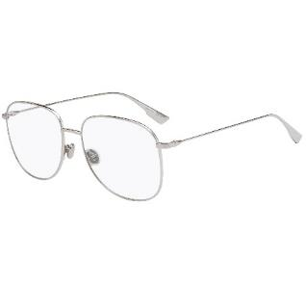 | DIOR OPTICAL FRAMES DIORSTELLAIREO8 010 16 | OPTICAL FRAMES | CHRISTIAN DIOR | 75.00 € | 300.00 € |  | 2 | 716736140087 | Safilo | Italy | Female | 0 | 56-16-145 | Silver | Metal | No | Plastic
2000917 | 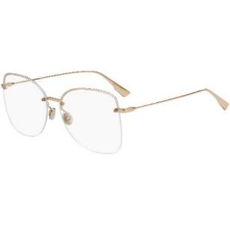 | DIOR OPTICAL FRAMES STELLAIREO10 J5G 16 | OPTICAL FRAMES | CHRISTIAN DIOR | 75.00 € | 320.00 € |  | 3 | 716736162669 | Safilo | Italy | Female | 0 | 59-15-145 | Gold | Metal | No | Plastic
2000918 | 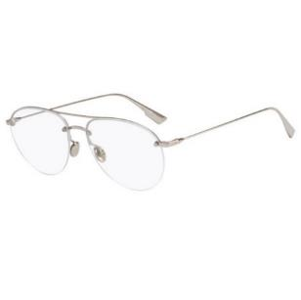 | DIOR OPTICAL FRAMES STELLAIREO11 010 15 | OPTICAL FRAMES | CHRISTIAN DIOR | 75.00 € | 320.00 € |  | 1 | 716736140100 | Safilo | Italy | Female | 0 | 55-15-145 | Silver | Metal | No | Plastic
2000919 | 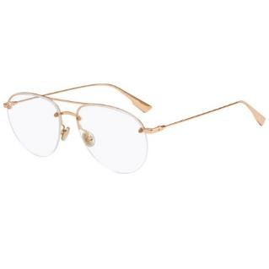 | DIOR OPTICAL FRAMES STELLAIREO11 DDB 15 | OPTICAL FRAMES | CHRISTIAN DIOR | 75.00 € | 320.00 € |  | 2 | 716736140117 | Safilo | Italy | Female | 0 | 55-15-145 | Gold | Metal | No | Plastic
2000920 | 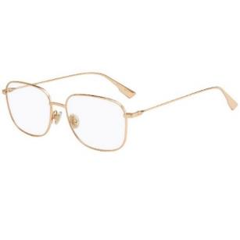 | DIOR OPTICAL FRAMES STELLAIREO13 DDB 16 | OPTICAL FRAMES | CHRISTIAN DIOR | 75.00 € | 300.00 € |  | 1 | 716736212203 | Safilo | Italy | Female | 0 | 53-16-145 | Gold | Metal | No | Plastic
2000928 | 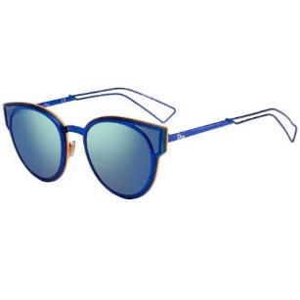 | DIOR SUNGLASSES DIORSCULPT KN9 | SUNGLASSES | CHRISTIAN DIOR | 75.00 € | 430.00 € |  | 2 | 762753345813 | Safilo | Italy | Female | 3 | 63-15-145 | Blue | Metal | Grey | Plastic | Mirrored
2000929 | 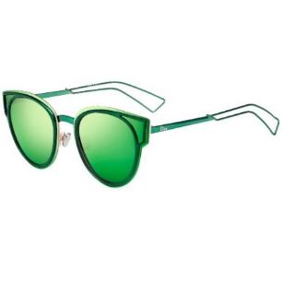 | DIOR SUNGLASSES DIORSCULPT QYG | SUNGLASSES | CHRISTIAN DIOR | 75.00 € | 430.00 € |  | 2 | 762753345875 | Safilo | Italy | Female | 3 | 63-15-145 | Green | Metal | Green; Inside: Purple | Plastic | Mirrored
2001162 | 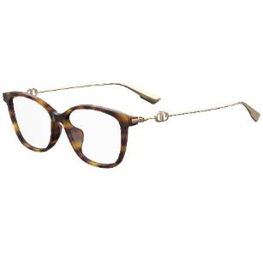 | DIOR FRAME DIORSIGHTO1F 086/15 | OPTICAL FRAMES | CHRISTIAN DIOR | 75.00 € | 295.00 € |  | 5 | 716736217093 | Safilo | Italy | Female | 0 | 51-15-145 | Havana & Gold | Metal & Acetate | No | Plastic
2001163 | 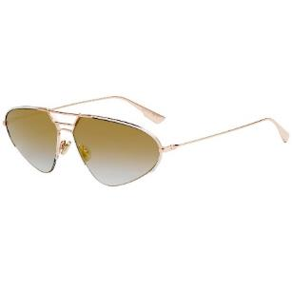 | DIOR SUNGLASSES DIORSTELLAIRE5 DDB/WM | SUNGLASSES | CHRISTIAN DIOR | 75.00 € | 300.00 € |  | 5 | 716736106694 | Safilo | Italy | Female | 2 | 62-13-145 | Rose Gold | Metal | Gold; Inside: Blue | Plastic | Mirrored
2001164 | 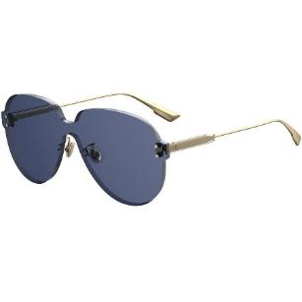 | DIOR SUNGLASSES DIORCOLORQUAKE3 PJP/KU | SUNGLASSES | CHRISTIAN DIOR | 75.00 € | 275.00 € |  | 3 | 716736124018 | Safilo | Italy | Female | 3 | 99-01-145 | Gold | Metal & Acetate | Blue | Plastic
2001165 | 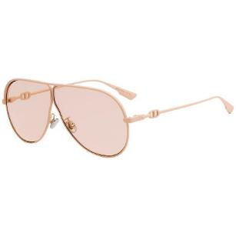 | DIOR SUNGLASSES DIORCAMP V1V/VC | SUNGLASSES | CHRISTIAN DIOR | 75.00 € | 240.00 € |  | 2 | 716736214030 | Safilo | Italy | Female | 1 | 66-03-145 | Matt Pink | Metal | Pink | Plastic
2001166 | 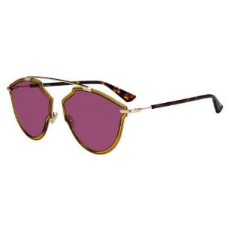 | DIOR SUNGLASSES DIORSOREALRISE 001/U1 | SUNGLASSES | CHRISTIAN DIOR | 75.00 € | 275.00 € |  | 1 | 716736062631 | Safilo | Italy | Female | 2 | 58-17-145 | Gold & Havana | Metal & Acetate | Purple | Plastic
2001167 |  | DIOR SUNGLASSES DIORSOREALRISE H2H/UR | SUNGLASSES | CHRISTIAN DIOR | 75.00 € | 275.00 € |  | 2 | 716736051598 | Safilo | Italy | Female | 3 | 58-17-145 | Gunmetal & Havana | Metal & Acetate | Purple | Plastic
2001170 |  | DIOR FRAME DIOR0221 KJ1/14 | OPTICAL FRAMES | CHRISTIAN DIOR | 75.00 € | 240.00 € |  | 2 | 716736051963 | Safilo | Italy | Male | 0 | 59-14-150 | Gunmetal & Black | Metal | No | Plastic
2001378 |  | DIOR FRAME DIORESSENCE5F 7C5 21 | OPTICAL FRAMES | CHRISTIAN DIOR | 75.00 € | 290.00 € |  | 2 | 762753957009 | Safilo | Italy | Female | 0 | 49-21-140 | Black & Gold | Acetate & Metal | No | Plastic
2001379 |  | DIOR FRAME DIORESSENCE12 807 17 | OPTICAL FRAMES | CHRISTIAN DIOR | 75.00 € | 290.00 € |  | 2 | 716736051826 | Safilo | Italy | Female | 0 | 50-17-145 | Black & Silver | Acetate & Metal | No | Plastic
2001380 |  | DIOR FRAME DIORSIGHTO2 807 16 | OPTICAL FRAMES | CHRISTIAN DIOR | 75.00 € | 290.00 € |  | 2 | 716736212227 | Safilo | Italy | Female | 0 | 55-16-145 | Black & Gold | Acetate & Metal | No | Plastic
2001382 |  | DIOR SUNGLASSES DIO(R)EVOLUTION 2M2 2K | SUNGLASSES | CHRISTIAN DIOR | 75.00 € | 450.00 € |  | 3 | 762753245472 | Safilo | Italy | Female | 3 | 58-15-145 | Gold & Black | Acetate & Metal | Black | Plastic
2001385 |  | DIOR SUNGLASSES DIORSTRONGER J5G 0J | SUNGLASSES | CHRISTIAN DIOR | 75.00 € | 380.00 € |  | 2 | 716736106786 | Safilo | Italy | Female | 2 | 58-18-145 | Gold | Metal | Gold; Inside : Blue | Plastic | Mirrored
2001386 |  | DIOR SUNGLASSES DIORBYDIOR 000 86 | SUNGLASSES | CHRISTIAN DIOR | 75.00 € | 390.00 € |  | 1 | 716736215990 | Safilo | Italy | Female | 3 | 60-13-145 | Gold | Metal | Brown Gradient | Plastic
2001387 |  | DIOR SUNGLASSES DIORBYDIOR 10 2K | SUNGLASSES | CHRISTIAN DIOR | 75.00 € | 390.00 € |  | 2 | 716736160658 | Safilo | Italy | Female | 3 | 60-13-145 | White & Silver | Metal | Grey | Plastic
2001389 |  | DIOR SUNGLASSES DIORBYDIOR DDB SQ | SUNGLASSES | CHRISTIAN DIOR | 75.00 € | 380.00 € |  | 2 | 716736160672 | Safilo | Italy | Female | 3 | 60-13-145 | Gold | Metal | Gold; Inside : Purple | Plastic | Mirrored
2001390 |  | DIOR SUNGLASSES DIORBYDIOR DDB YB | SUNGLASSES | CHRISTIAN DIOR | 75.00 € | 380.00 € |  | 1 | 716736216003 | Safilo | Italy | Female | 3 | 60-13-145 | Rose Gold | Metal | Purple & Blue Gradient | Plastic
2001395 |  | DIOR SUNGLASSES DIORDIRECTION DM2 A9 | SUNGLASSES | CHRISTIAN DIOR | 75.00 € | 340.00 € |  | 2 | 716736161037 | Safilo | Italy | Female | 3 | 56-22-145 | Havana & Silver | Acetate & Metal | Blue | Plastic
2001396 |  | DIOR SUNGLASSES STELLAIREO3S J5G KU | SUNGLASSES | CHRISTIAN DIOR | 75.00 € | 360.00 € |  | 1 | 716736158396 | Safilo | Italy | Female | 3 | 57-13-145 | Gold | Metal | Blue | Plastic
2001397 |  | DIOR SUNGLASSES DIORBYDIOR2 DDB YB | SUNGLASSES | CHRISTIAN DIOR | 75.00 € | 360.00 € |  | 3 | 716736216164 | Safilo | Italy | Female | 3 | 58-17-145 | Rose Gold | Metal | Purple & Blue Gradient | Plastic
2001398 |  | DIOR SUNGLASSES DIORBYDIOR2 J5G A9 | SUNGLASSES | CHRISTIAN DIOR | 75.00 € | 360.00 € |  | 3 | 716736216171 | Safilo | Italy | Female | 3 | 58-17-145 | Black & Gold | Metal | Blue | Plastic
2001399 |  | DIOR SUNGLASSES DIORBYDIOR3F DDB YB | SUNGLASSES | CHRISTIAN DIOR | 75.00 € | 360.00 € |  | 1 | 716736218182 | Safilo | Italy | Female | 3 | 59-18-145 | Rose Gold | Metal | Purple & Blue Gradient | Plastic
2001401 |  | DIOR SUNGLASSES DIORATTITUDE1 7HH 84 | SUNGLASSES | CHRISTIAN DIOR | 75.00 € | 370.00 € |  | 3 | 716736264042 | Safilo | Italy | Female | 2 | 56-23-145 | Silver & Crystal | Acetate & Metal | Blue, Grey & Pink | Plastic

